Sheet1
LYDONFORD LTD T/A SKI & SPORT STANDARD PRICE LIST Produced on : 21/12/22
 | PROD GRP | GROUP DESC | PROD TYPE | TYPE DESC | STOCK CODE | STOCK DESC | SIZE | FREE STOCK | RRP | EAN | COMMODITY CODE | COUNTRY OF ORIGIN | RRP total
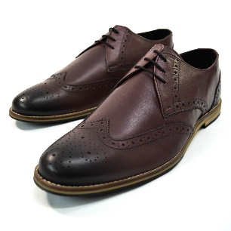 | LAM | lambretta | FTW | Footwear | 5060500888275 | M-157 0157 Edward Burgundy | 007 7 | 15 | £75.00 | 5060500888275 | 64039196 | IN | £1,125.00
 | LAM | lambretta | FTW | Footwear | 5060500888282 | M-157 0157 Edward Burgundy | 007 8 | 28 | £75.00 | 5060500888282 | 64039196 | IN | £2,100.00
 | LAM | lambretta | FTW | Footwear | 5060500888299 | M-157 0157 Edward Burgundy | 007 9 | 39 | £75.00 | 5060500888299 | 64039196 | IN | £2,925.00
 | LAM | lambretta | FTW | Footwear | 5060500888305 | M-157 0157 Edward Burgundy | 007 10 | 53 | £75.00 | 5060500888305 | 64039196 | IN | £3,975.00
 | LAM | lambretta | FTW | Footwear | 5060500888312 | M-157 0157 Edward Burgundy | 007 11 | 32 | £75.00 | 5060500888312 | 64039196 | IN | £2,400.00
 | LAM | lambretta | FTW | Footwear | 5060500888329 | M-157 0157 Edward Burgundy | 007 12 | 18 | £75.00 | 5060500888329 | 64039196 | IN | £1,350.00
 |  |  |  |  |  |  |  |  |  |  |  |  | £-
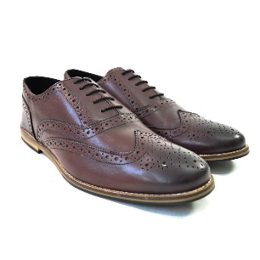
 | LAM | lambretta | FTW | formal shoes | 5060500887643 | M-119 0119 Westfield Burgundy | 007 7 | 1 | £75.00 | 5060500887643 | 64039996 | IN | £75.00
 | LAM | lambretta | FTW | formal shoes | 5060500887650 | M-119 0119 Westfield Burgundy | 007 8 | 1 | £75.00 | 5060500887650 | 64039996 | IN | £75.00
 | LAM | lambretta | FTW | formal shoes | 5060500887667 | M-119 0119 Westfield Burgundy | 007 9 | 2 | £75.00 | 5060500887667 | 64039996 | IN | £150.00
 | LAM | lambretta | FTW | formal shoes | 5060500887674 | M-119 0119 Westfield Burgundy | 007 10 | 2 | £75.00 | 5060500887674 | 64039996 | IN | £150.00
 | LAM | lambretta | FTW | formal shoes | 5060500887681 | M-119 0119 Westfield Burgundy | 007 11 | 4 | £75.00 | 5060500887681 | 64039996 | IN | £300.00
 | LAM | lambretta | FTW | formal shoes | 5060500887698 | M-119 0119 Westfield Burgundy | 007 12 | 3 | £75.00 | 5060500887698 | 64039996 | IN | £225.00
 |  |  |  |  |  |  |  |  |  |  |  |  | £-
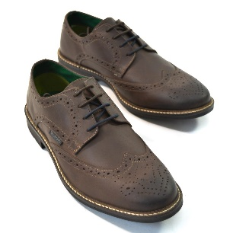 | LAM | lambretta | FTW | Footwear | 1975-CARLO-BRWN-10 | Carlo Brogue-Dark Brown-Mens | 10 | 12 | £65.00 | 5055385046117 | 64039996 | IN | £780.00
 | LAM | lambretta | FTW | Footwear | 1975-CARLO-BRWN-11 | Carlo Brogue-Dark Brown-Mens | 11 | 56 | £65.00 | 5055385046124 | 64039996 | IN | £3,640.00
 | LAM | lambretta | FTW | Footwear | 1975-CARLO-BRWN-12 | Carlo Brogue-Dark Brown-Mens | 12 | 36 | £65.00 | 5055385046131 | 64039996 | IN | £2,340.00
 | LAM | lambretta | FTW | Footwear | 1975-CARLO-BRWN-7 | Carlo Brogue-Dark Brown-Mens | 7 | 2 | £65.00 | 5055385046087 | 64039996 | IN | £130.00
 | LAM | lambretta | FTW | Footwear | 1975-CARLO-BRWN-9 | Carlo Brogue-Dark Brown-Mens | 9 | 42 | £65.00 | 5055385046100 | 64039996 | IN | £2,730.00
 |  |  |  |  |  |  |  |  |  |  |  |  | £-
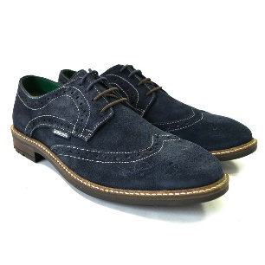 | LAM | lambretta | FTW | Footwear | 1975-CARLO-NVY-10 | Carlo Brogue-Navy-Mens | 10 | 105 | £65.00 | 5055385046179 | 64039996 | IN | £6,825.00
 | LAM | lambretta | FTW | Footwear | 1975-CARLO-NVY-11 | Carlo Brogue-Navy-Mens | 11 | 139 | £65.00 | 5055385046186 | 64039996 | IN | £9,035.00
 | LAM | lambretta | FTW | Footwear | 1975-CARLO-NVY-12 | Carlo Brogue-Navy-Mens | 12 | 73 | £65.00 | 5055385046193 | 64039996 | IN | £4,745.00
 | LAM | lambretta | FTW | Footwear | 1975-CARLO-NVY-7 | Carlo Brogue-Navy-Mens | 7 | 26 | £65.00 | 5055385046148 | 64039996 | IN | £1,690.00
 | LAM | lambretta | FTW | Footwear | 1975-CARLO-NVY-8 | Carlo Brogue-Navy-Mens | 8 | 34 | £65.00 | 5055385046155 | 64039996 | IN | £2,210.00
 | LAM | lambretta | FTW | Footwear | 1975-CARLO-NVY-9 | Carlo Brogue-Navy-Mens | 9 | 145 | £65.00 | 5055385046162 | 64039996 | IN | £9,425.00
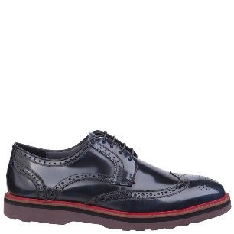
 |  |  |  |  |  |  |  |  |  |  |  |  | £-
 | LAM | lambretta | FTW | Footwear | 5056173203873 | Compton Brogue Leather | NAVY/GREY LINING 7 | 4 | £99.00 | 5056173203873 | 64039996 | CN | £396.00
 | LAM | lambretta | FTW | Footwear | 5056173203880 | Compton Brogue Leather | NAVY/GREY LINING 8 | 7 | £99.00 | 5056173203880 | 64039996 | CN | £693.00
 | LAM | lambretta | FTW | Footwear | 5056173203897 | Compton Brogue Leather | NAVY/GREY LINING 9 | 34 | £99.00 | 5056173203897 | 64039996 | CN | £3,366.00
 | LAM | lambretta | FTW | Footwear | 5056173203903 | Compton Brogue Leather | NAVY/GREY LINING 10 | 1 | £99.00 | 5056173203903 | 64039996 | CN | £99.00
 | LAM | lambretta | FTW | Footwear | 5056173203910 | Compton Brogue Leather | NAVY/GREY LINING 11 | 23 | £99.00 | 5056173203910 | 64039996 | CN | £2,277.00
 | LAM | lambretta | FTW | Footwear | 5056173203927 | Compton Brogue Leather | NAVY/GREY LINING 12 | 9 | £99.00 | 5056173203927 | 64039996 | CN | £891.00
 |  |  |  |  |  |  |  |  |  |  |  |  | £-
 | LAM | lambretta | FTW | Footwear | QUAD-LT TAN-7 | Driving shoe -Lt Tan | 7 | 17 | £65.00 | 5056173228210 | 64039996 | IN | £1,105.00
 | LAM | lambretta | FTW | Footwear | QUAD-LT TAN-8 | Driving shoe -Lt Tan | 8 | 13 | £65.00 | 5056173228227 | 64039996 | IN | £845.00
 | LAM | lambretta | FTW | Footwear | QUAD-LT TAN-9 | Driving shoe -Lt Tan | 9 | 24 | £65.00 | 5056173228234 | 64039996 | IN | £1,560.00
 |  |  |  |  |  |  |  |  |  |  |  |  | £-
 | LAM | lambretta | FTW | Footwear | ASTON-KHKI-11 | Aston-lace trainer | Khaki-11 | 7 | £50.00 | 5056173220016 | 64021900 | CN | £350.00
 | LAM | lambretta | FTW | Footwear | ASTON-KHKI-12 | Aston-lace trainer | Khaki-12 | 1 | £50.00 | 5056173220023 | 64021900 | CN | £50.00
 |  |  |  |  |  |  |  |  |  |  |  |  | £-
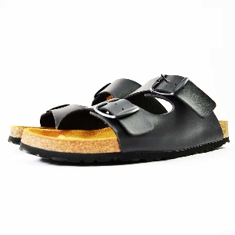 | LAM | lambretta | FTW | 145 | AVALON BLK-12 | Twin Buckle Sandal | 12 | 1 | £35.00 | 5056173215845 | 64059090 | ES | £35.00
 | LAM | lambretta | FTW | 145 | AVALON BLK-7 | Twin Buckle Sandal | 7 | 12 | £35.00 | 5056173215791 | 64059090 | ES | £420.00
 | LAM | lambretta | FTW | 145 | AVALON BLK-KING-13 | Twin Buckle Sandal | 13 | 43 | £35.00 | 5056173215852 | 64059090 | ES | £1,505.00
 | LAM | lambretta | FTW | 145 | AVALON BLK-KING-14 | Twin Buckle Sandal | 14 | 32 | £35.00 | 5056173215869 | 64059090 | ES | £1,120.00
 | LAM | lambretta | FTW | 145 | AVALON BLK-KING-15 | Twin Buckle Sandal | 15 | 8 | £35.00 | 5056173215876 | 64059090 | ES | £280.00
 |  |  |  |  |  |  |  |  |  |  |  |  | £-
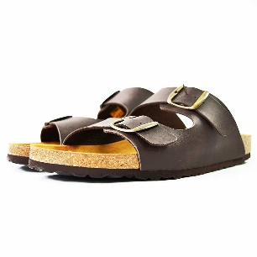 | LAM | lambretta | FTW | 145 | AVALON BRN-7 | Twin Buckle Sandal | 7 | 5 | £35.00 | 5056173215883 | 64059090 | ES | £175.00
 | LAM | lambretta | FTW | 145 | AVALON BRN-KING-13 | Twin Buckle Sandal | 13 | 45 | £35.00 | 5056173215944 | 64059090 | ES | £1,575.00
 | LAM | lambretta | FTW | 145 | AVALON BRN-KING-14 | Twin Buckle Sandal | 14 | 32 | £35.00 | 5056173215951 | 64059090 | ES | £1,120.00
 | LAM | lambretta | FTW | 145 | AVALON BRN-KING-15 | Twin Buckle Sandal | 15 | 8 | £35.00 | 5056173215968 | 64059090 | ES | £280.00
 |  |  |  |  |  |  |  |  |  |  |  |  | £-
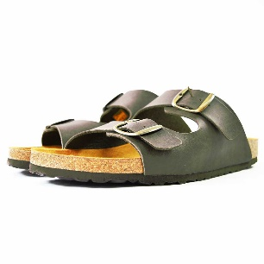 | LAM | lambretta | FTW | 145 | AVALON KHAKI-10 | Twin Buckle Sandal | 10 | 24 | £35.00 | 5056173216002 | 64059090 | ES | £840.00
 | LAM | lambretta | FTW | 145 | AVALON KHAKI-11 | Twin Buckle Sandal | 11 | 15 | £35.00 | 5056173216019 | 64059090 | ES | £525.00
 | LAM | lambretta | FTW | 145 | AVALON KHAKI-12 | Twin Buckle Sandal | 12 | 10 | £35.00 | 5056173216026 | 64059090 | ES | £350.00
 | LAM | lambretta | FTW | 145 | AVALON KHAKI-7 | Twin Buckle Sandal | 7 | 3 | £35.00 | 5056173215975 | 64059090 | ES | £105.00
 | LAM | lambretta | FTW | 145 | AVALON KHAKI-8 | Twin Buckle Sandal | 8 | 14 | £35.00 | 5056173215982 | 64059090 | ES | £490.00
 | LAM | lambretta | FTW | 145 | AVALON KHAKI-KING-13 | Twin Buckle Sandal | 13 | 43 | £35.00 | 5056173216033 | 64059090 | ES | £1,505.00
 | LAM | lambretta | FTW | 145 | AVALON KHAKI-KING-14 | Twin Buckle Sandal | 14 | 43 | £35.00 | 5056173216040 | 64059090 | ES | £1,505.00
 | LAM | lambretta | FTW | 145 | AVALON KHAKI-KING-15 | Twin Buckle Sandal | 15 | 19 | £35.00 | 5056173216057 | 64059090 | ES | £665.00
 |  |  |  |  |  |  |  |  |  |  |  |  | £-
 | LAM | lambretta | FTW | Footwear | ASTON-BLK/CHARC-3 | Aston-lace trainer | Black/Charcoal-3 | 7 | £40.00 | 5056173223604 | 64021900 | CN | £280.00
 | LAM | lambretta | FTW | Footwear | ASTON-BLK/CHARC-4 | Aston-lace trainer | Black/Charcoal-4 | 6 | £40.00 | 5056173223611 | 64021900 | CN | £240.00
 | LAM | lambretta | FTW | Footwear | ASTON-BLK/CHARC-6 | Aston-lace trainer | Black/Charcoal-6 | 5 | £40.00 | 5056173223635 | 64021900 | CN | £200.00
 |  |  |  |  |  |  |  |  |  |  |  |  | £-
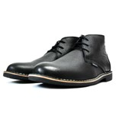 | LAM | lambretta | FTW | Footwear | CRNBYIII-B-G-LTH-10 | Carnaby III Desert Boot Lthr | Black Milled Leather 10 | 38 | £60.00 | 5056173230251 | 64039196 | IN | £2,280.00
 | LAM | lambretta | FTW | Footwear | CRNBYIII-B-G-LTH-7 | Carnaby III Desert Boot Lthr | Black Milled Leather 7 | 6 | £60.00 | 5056173230220 | 64039196 | IN | £360.00
 |  |  |  |  |  |  |  |  |  |  |  |  | £-
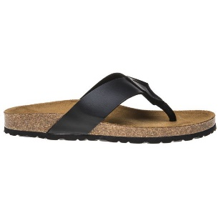 | LAM | lambretta | FTW | Footwear | CASPIAN-BLACK-9 | Toe Post-Black | 9 | 15 | £40.00 | 5056173229408 | 64059090 | ES | £600.00
 |  |  |  |  |  |  |  |  |  |  |  |  | £-
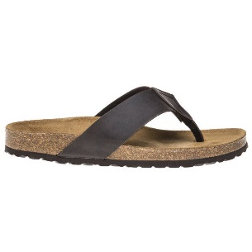 | LAM | lambretta | FTW | Footwear | CASPIAN-BROWN-10 | Toe Post-Brown | 10 | 11 | £40.00 | 5056173229477 | 64059090 | ES | £440.00
 | LAM | lambretta | FTW | Footwear | CASPIAN-BROWN-11 | Toe Post-Brown | 11 | 14 | £40.00 | 5056173229484 | 64059090 | ES | £560.00
 | LAM | lambretta | FTW | Footwear | CASPIAN-BROWN-7 | Toe Post-Brown | 7 | 2 | £40.00 | 5056173229446 | 64059090 | ES | £80.00
 | LAM | lambretta | FTW | Footwear | CASPIAN-BROWN-8 | Toe Post-Brown | 8 | 23 | £40.00 | 5056173229453 | 64059090 | ES | £920.00
 | LAM | lambretta | FTW | Footwear | CASPIAN-BROWN-9 | Toe Post-Brown | 9 | 33 | £40.00 | 5056173229460 | 64059090 | ES | £1,320.00
 |  |  |  |  |  |  |  |  |  |  |  |  | £-
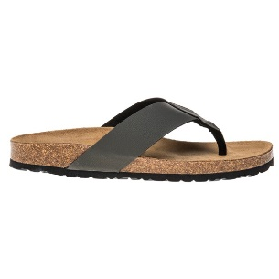 | LAM | lambretta | FTW | Footwear | CASPIAN-KHAKI-11 | Toe Post-Khaki | 11 | 4 | £40.00 | 5056173229545 | 64059090 | ES | £160.00
 |  |  |  |  |  |  |  |  |  |  |  |  | £-
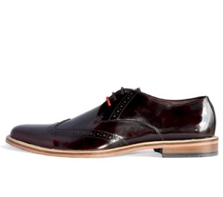 | LAM | lambretta | FTW | Footwear | 5060500887278 | 20995 Franky Brogue Bordo | high shine brush off 7 | 3 | £70.00 | 5060500887278 | 64039996 | IN | £210.00
 | LAM | lambretta | FTW | Footwear | 5060500887285 | 20995 Franky Brogue Bordo | high shine brush off 8 | 3 | £70.00 | 5060500887285 | 64039996 | IN | £210.00
 | LAM | lambretta | FTW | Footwear | 5060500887292 | 20995 Franky Brogue Bordo | high shine brush off 9 | 56 | £70.00 | 5060500887292 | 64039996 | IN | £3,920.00
 | LAM | lambretta | FTW | Footwear | 5060500887308 | 20995 Franky Brogue Bordo | high shine brush off 10 | 55 | £70.00 | 5060500887308 | 64039996 | IN | £3,850.00
 | LAM | lambretta | FTW | Footwear | 5060500887315 | 20995 Franky Brogue Bordo | high shine brush off 11 | 59 | £70.00 | 5060500887315 | 64039996 | IN | £4,130.00
 | LAM | lambretta | FTW | Footwear | 5060500887322 | 20995 Franky Brogue Bordo | high shine brush off 12 | 32 | £70.00 | 5060500887322 | 64039996 | IN | £2,240.00
 |  |  |  |  |  |  |  |  |  |  |  |  | £-
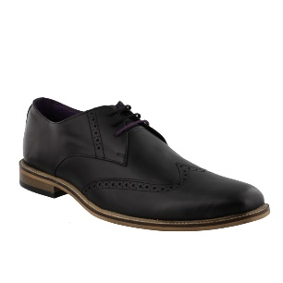 | LAM | lambretta | FTW | Footwear | 5060500887223 | 20995 Franky Brogue Black Cow | 8 | 2 | £70.00 | 5060500887223 | 64039996 | IN | £140.00
 | LAM | lambretta | FTW | Footwear | 5060500887247 | 20995 Franky Brogue Black Cow | 10 | 1 | £70.00 | 5060500887247 | 64039996 | IN | £70.00
 | LAM | lambretta | FTW | Footwear | 5060500887261 | 20995 Franky Brogue Black Cow | 12 | 1 | £70.00 | 5060500887261 | 64039996 | IN | £70.00
 |  |  |  |  |  |  |  |  |  |  |  |  | £-
 | LAM | lambretta | FTW | Footwear | 5060500887391 | 20995 Franky Brogue Navy | Brush off 7 | 2 | £70.00 | 5060500887391 | 64039996 | IN | £140.00
 | LAM | lambretta | FTW | Footwear | 5060500887407 | 20995 Franky Brogue Navy | Brush off 8 | 1 | £70.00 | 5060500887407 | 64039996 | IN | £70.00
 | LAM | lambretta | FTW | Footwear | 5060500887421 | 20995 Franky Brogue Navy | Brush off 10 | 1 | £70.00 | 5060500887421 | 64039996 | IN | £70.00
 | LAM | lambretta | FTW | Footwear | 5060500887438 | 20995 Franky Brogue Navy | Brush off 11 | 3 | £70.00 | 5060500887438 | 64039996 | IN | £210.00
 | LAM | lambretta | FTW | Footwear | 5060500887445 | 20995 Franky Brogue Navy | Brush off 12 | 4 | £70.00 | 5060500887445 | 64039996 | IN | £280.00
 |  |  |  |  |  |  |  |  |  |  |  |  | £-
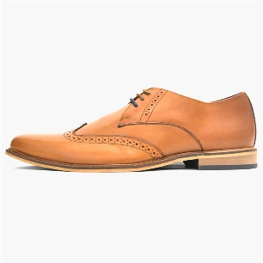 | LAM | lambretta | FTW | Footwear | 5060500887179 | 20995 Franky Brogue Tan crust | Leather 9 | 1 | £70.00 | 5060500887179 | 64039996 | IN | £70.00
 | LAM | lambretta | FTW | Footwear | 5060500887186 | 20995 Franky Brogue Tan crust | Leather 10 | 2 | £70.00 | 5060500887186 | 64039996 | IN | £140.00
 | LAM | lambretta | FTW | Footwear | 5060500887193 | 20995 Franky Brogue Tan crust | Leather 11 | 5 | £70.00 | 5060500887193 | 64039996 | IN | £350.00
 | LAM | lambretta | FTW | Footwear | 5060500887209 | 20995 Franky Brogue Tan crust | Leather 12 | 5 | £70.00 | 5060500887209 | 64039996 | IN | £350.00
 |  |  |  |  |  |  |  |  |  |  |  |  | £-
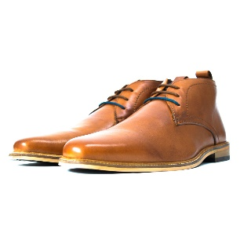 | LAM | lambretta | FTW | Footwear | 5060500886950 | 20934 Franky Chukka Tan crust | Leather 11 | 3 | £75.00 | 5060500886950 | 64039196 | IN | £225.00
 | LAM | lambretta | FTW | Footwear | 5060500886967 | 20934 Franky Chukka Tan crust | Leather 12 | 5 | £75.00 | 5060500886967 | 64039196 | IN | £375.00
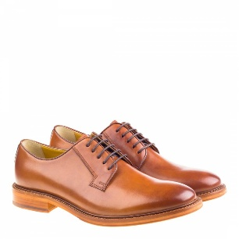
 |  |  |  |  |  |  |  |  |  |  |  |  | £-
 | LAM | lambretta | FTW | Footwear | 1974-LOMBARD-BRWN-10 | Lombard Derby Shoe-Brown-Mens | 10 | 24 | £65.00 | 5055385046056 | 64039996 | IN | £1,560.00
 | LAM | lambretta | FTW | Footwear | 1974-LOMBARD-BRWN-11 | Lombard Derby Shoe-Brown-Mens | 11 | 12 | £65.00 | 5055385046063 | 64039996 | IN | £780.00
 | LAM | lambretta | FTW | Footwear | 1974-LOMBARD-BRWN-12 | Lombard Derby Shoe-Brown-Mens | 12 | 5 | £65.00 | 5055385046070 | 64039996 | IN | £325.00
 | LAM | lambretta | FTW | Footwear | 1974-LOMBARD-BRWN-8 | Lombard Derby Shoe-Brown-Mens | 8 | 8 | £65.00 | 5055385046032 | 64039996 | IN | £520.00
 |  |  |  |  |  |  |  |  |  |  |  |  | £-
 | LAM | lambretta | FTW | Footwear | FURY-BLACK-LACE-1 | Fury Lace-Black | Childs-1 | 1 | £38.00 | 5056173214091 | 64039991 | IN | £38.00
 | LAM | lambretta | FTW | Footwear | FURY-BLACK-LACE-13 | Fury Lace-Black | Childs-13 | 1 | £38.00 | 5056173214084 | 64039991 | IN | £38.00
 | LAM | lambretta | FTW | Footwear | FURY-BLACK-LACE-5 | Fury Lace-Black | Childs-5 | 1 | £38.00 | 5056173214138 | 64039991 | IN | £38.00
 |  |  |  |  |  |  |  |  |  |  |  |  | £-
 | LAM | lambretta | FTW | Footwear | FURY-TAN-LACE-1 | Fury Lace-Tan | Childs-1 | 3 | £38.00 | 5056173214190 | 64039991 | IN | £114.00
 | LAM | lambretta | FTW | Footwear | FURY-TAN-LACE-12 | Fury Lace-Tan | Childs-12 | 7 | £38.00 | 5056173214176 | 64039991 | IN | £266.00
 | LAM | lambretta | FTW | Footwear | FURY-TAN-LACE-13 | Fury Lace-Tan | Childs-13 | 11 | £38.00 | 5056173214183 | 64039991 | IN | £418.00
 | LAM | lambretta | FTW | Footwear | FURY-TAN-LACE-2 | Fury Lace-Tan | Childs-2 | 19 | £38.00 | 5056173214206 | 64039991 | IN | £722.00
 | LAM | lambretta | FTW | Footwear | FURY-TAN-LACE-3 | Fury Lace-Tan | Childs-3 | 21 | £38.00 | 5056173214213 | 64039991 | IN | £798.00
 | LAM | lambretta | FTW | Footwear | FURY-TAN-LACE-4 | Fury Lace-Tan | Childs-4 | 26 | £38.00 | 5056173214220 | 64039991 | IN | £988.00
 | LAM | lambretta | FTW | Footwear | FURY-TAN-LACE-5 | Fury Lace-Tan | Childs-5 | 21 | £38.00 | 5056173214237 | 64039991 | IN | £798.00
 |  |  |  |  |  |  |  |  |  |  |  |  | £-
 | LAM | lambretta | FTW | Footwear | FURY-BLACK-VELCRO-1 | Fury Velcro Single Strap-Black | Childs-1 | 13 | £38.00 | 5056173214299 | 64039991 | IN | £494.00
 | LAM | lambretta | FTW | Footwear | FURY-BLACK-VELCRO-12 | Fury Velcro Single Strap-Black | Childs-12 | 25 | £38.00 | 5056173214275 | 64039991 | IN | £950.00
 | LAM | lambretta | FTW | Footwear | FURY-BLACK-VELCRO-13 | Fury Velcro Single Strap-Black | Childs-13 | 27 | £38.00 | 5056173214282 | 64039991 | IN | £1,026.00
 | LAM | lambretta | FTW | Footwear | FURY-BLACK-VELCRO-2 | Fury Velcro Single Strap-Black | Childs-2 | 36 | £38.00 | 5056173214305 | 64039991 | IN | £1,368.00
 | LAM | lambretta | FTW | Footwear | FURY-BLACK-VELCRO-4 | Fury Velcro Single Strap-Black | Childs-4 | 11 | £38.00 | 5056173214329 | 64039991 | IN | £418.00
 |  |  |  |  |  |  |  |  |  |  |  |  | £-
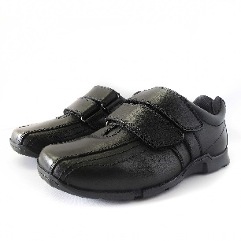 | LAM | lambretta | FTW | Footwear | HAMMER-BLACK-VELCRO-1 | Hammer Velcro Twin Strap-Black | Childs-1 | 70 | £38.00 | 5056173213919 | 64039991 | IN | £2,660.00
 | LAM | lambretta | FTW | Footwear | HAMMER-BLACK-VELCRO-12 | Hammer Velcro Twin Strap-Black | Childs-12 | 44 | £38.00 | 5056173213896 | 64039991 | IN | £1,672.00
 | LAM | lambretta | FTW | Footwear | HAMMER-BLACK-VELCRO-13 | Hammer Velcro Twin Strap-Black | Childs-13 | 62 | £38.00 | 5056173213902 | 64039991 | IN | £2,356.00
 | LAM | lambretta | FTW | Footwear | HAMMER-BLACK-VELCRO-2 | Hammer Velcro Twin Strap-Black | Childs-2 | 51 | £38.00 | 5056173213926 | 64039991 | IN | £1,938.00
 | LAM | lambretta | FTW | Footwear | HAMMER-BLACK-VELCRO-3 | Hammer Velcro Twin Strap-Black | Childs-3 | 34 | £38.00 | 5056173213933 | 64039991 | IN | £1,292.00
 | LAM | lambretta | FTW | Footwear | HAMMER-BLACK-VELCRO-4 | Hammer Velcro Twin Strap-Black | Childs-4 | 15 | £38.00 | 5056173213940 | 64039991 | IN | £570.00
 | LAM | lambretta | FTW | Footwear | HAMMER-BLACK-VELCRO-5 | Hammer Velcro Twin Strap-Black | Childs 5 | 24 | £38.02 | 5056173213957 | 64039991 | IN | £912.48
 |  |  |  |  |  |  |  |  |  |  |  |  | £-
 | LAM | lambretta | FTW | Footwear | HAMMER-BLACK-SLIP-1 | Hammer Slip-Black | Childs-1 | 91 | £38.00 | 5056173214008 | 64039991 | IN | £3,458.00
 | LAM | lambretta | FTW | Footwear | HAMMER-BLACK-SLIP-12 | Hammer Slip-Black | Childs-12 | 44 | £38.00 | 5056173213988 | 64039991 | IN | £1,672.00
 | LAM | lambretta | FTW | Footwear | HAMMER-BLACK-SLIP-13 | Hammer Slip-Black | Childs-13 | 45 | £38.00 | 5056173213995 | 64039991 | IN | £1,710.00
 | LAM | lambretta | FTW | Footwear | HAMMER-BLACK-SLIP-2 | Hammer Slip-Black | Childs-2 | 96 | £38.00 | 5056173214015 | 64039991 | IN | £3,648.00
 | LAM | lambretta | FTW | Footwear | HAMMER-BLACK-SLIP-3 | Hammer Slip-Black | Childs-3 | 54 | £38.00 | 5056173214022 | 64039991 | IN | £2,052.00
 | LAM | lambretta | FTW | Footwear | HAMMER-BLACK-SLIP-4 | Hammer Slip-Black | Childs-4 | 33 | £38.00 | 5056173214039 | 64039991 | IN | £1,254.00
 |  |  |  |  |  |  |  |  |  |  |  |  | £-
 | LAM | lambretta | FTW | Footwear | 5056173202753 | 21456 Velcro strap Black Child | 1 | 5 | £40.00 | 5056173202753 | 64039960 | IN | £200.00
 | LAM | lambretta | FTW | Footwear | 5056173202760 | 21456 Velcro strap Black Child | 2 | 2 | £40.00 | 5056173202760 | 64039960 | IN | £80.00
 | LAM | lambretta | FTW | Footwear | 5056173202777 | 21456 Velcro strap Black Child | 10 | 2 | £40.00 | 5056173202777 | 64039960 | IN | £80.00
 | LAM | lambretta | FTW | Footwear | 5056173202784 | 21456 Velcro strap Black Child | 11 | 1 | £40.00 | 5056173202784 | 64039960 | IN | £40.00
 | LAM | lambretta | FTW | Footwear | 5056173202791 | 21456 Velcro strap Black Child | 12 | 7 | £40.00 | 5056173202791 | 64039960 | IN | £280.00
 | LAM | lambretta | FTW | Footwear | 5056173202807 | 21456 Velcro strap Black Child | 13 | 24 | £40.00 | 5056173202807 | 64039960 | IN | £960.00
 | LAM | lambretta | FTW | Footwear | TOMKIN-BLK PTNT-DERBY-1 | Tomkin Derby Patent-Black | Childs-1 | 5 | £38.00 | 5056173214510 | 64039991 | IN | £190.00
 | LAM | lambretta | FTW | Footwear | TOMKIN-BLK PTNT-DERBY-2 | Tomkin Derby Patent-Black | Childs-2 | 12 | £38.00 | 5056173214527 | 64039991 | IN | £456.00
 | LAM | lambretta | FTW | Footwear | TOMKIN-BLK PTNT-DERBY-3 | Tomkin Derby Patent-Black | Childs-3 | 20 | £38.00 | 5056173214534 | 64039991 | IN | £760.00
 | LAM | lambretta | FTW | Footwear | TOMKIN-BLK PTNT-DERBY-4 | Tomkin Derby Patent-Black | Childs-4 | 24 | £38.00 | 5056173214541 | 64039991 | IN | £912.00
 | LAM | lambretta | FTW | Footwear | TOMKIN-BLK PTNT-DERBY-5 | Tomkin Derby Patent-Black | Childs-5 | 24 | £38.00 | 5056173214558 | 64039991 | IN | £912.00
 |  |  |  |  |  |  |  |  |  |  |  |  | £-
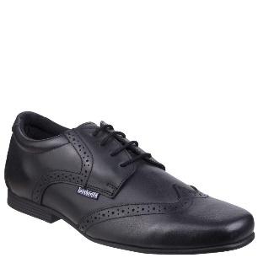 | LAM | lambretta | FTW | Footwear | TOMKIN-BLACK-BROGUE-1 | Tomkin Brogue-Black | Childs-1 | 13 | £38.00 | 5056173214879 | 64039991 | IN | £494.00
 | LAM | lambretta | FTW | Footwear | TOMKIN-BLACK-BROGUE-10 | Tomkin Brogue-Black | Mens-10 | 43 | £38.00 | 5056173214961 | 64039996 | IN | £1,634.00
 | LAM | lambretta | FTW | Footwear | TOMKIN-BLACK-BROGUE-12 | Tomkin Brogue-Black | Childs-12 | 1 | £38.00 | 5056173214855 | 64039991 | IN | £38.00
 | LAM | lambretta | FTW | Footwear | TOMKIN-BLACK-BROGUE-13 | Tomkin Brogue-Black | Childs-13 | 21 | £38.00 | 5056173214862 | 64039991 | IN | £798.00
 | LAM | lambretta | FTW | Footwear | TOMKIN-BLACK-BROGUE-2 | Tomkin Brogue-Black | Childs-2 | 7 | £38.00 | 5056173214886 | 64039991 | IN | £266.00
 | LAM | lambretta | FTW | Footwear | TOMKIN-BLACK-BROGUE-7 | Tomkin Brogue-Black | Mens-7 | 12 | £38.00 | 5056173214930 | 64039996 | IN | £456.00
 | LAM | lambretta | FTW | Footwear | TOMKIN-BLACK-BROGUE-8 | Tomkin Brogue-Black | Mens-8 | 24 | £38.00 | 5056173214947 | 64039996 | IN | £912.00
 | LAM | lambretta | FTW | Footwear | TOMKIN-BLACK-BROGUE-9 | Tomkin Brogue-Black | Mens-9 | 41 | £38.00 | 5056173214954 | 64039996 | IN | £1,558.00
 |  |  |  |  |  |  |  |  |  |  |  |  | £-
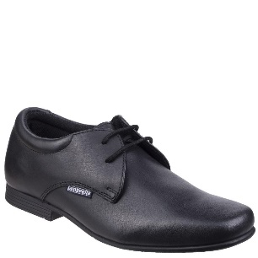 | LAM | lambretta | FTW | Footwear | TOMKIN-BLK PLN-DERBY-1 | Tomkin Plain Derby-Black | Childs-1 | 12 | £38.00 | 5056173214398 | 64039991 | IN | £456.00
 | LAM | lambretta | FTW | Footwear | TOMKIN-BLK PLN-DERBY-12 | Tomkin Plain Derby-Black | Childs-12 | 13 | £38.00 | 5056173214374 | 64039991 | IN | £494.00
 | LAM | lambretta | FTW | Footwear | TOMKIN-BLK PLN-DERBY-13 | Tomkin Plain Derby-Black | Childs-13 | 20 | £38.00 | 5056173214381 | 64039991 | IN | £760.00
 | LAM | lambretta | FTW | Footwear | TOMKIN-BLK PLN-DERBY-2 | Tomkin Plain Derby-Black | Childs-2 | 4 | £38.00 | 5056173214404 | 64039991 | IN | £152.00
 | LAM | lambretta | FTW | Footwear | TOMKIN-BLK PLN-DERBY-3 | Tomkin Plain Derby-Black | Childs-3 | 14 | £38.00 | 5056173214411 | 64039991 | IN | £532.00
 |  |  |  |  |  |  |  |  |  |  |  |  | £-
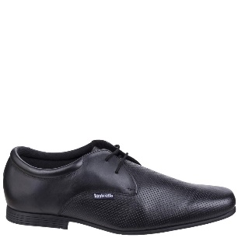 | LAM | lambretta | FTW | Footwear | TOMKIN-BLK PNCH-DERBY-1 | Tomkin Punch Derby-Black | Childs-1 | 11 | £38.00 | 5056173214633 | 64039991 | IN | £418.00
 | LAM | lambretta | FTW | Footwear | TOMKIN-BLK PNCH-DERBY-12 | Tomkin Punch Derby-Black | Childs-12 | 12 | £38.00 | 5056173214619 | 64039991 | IN | £456.00
 | LAM | lambretta | FTW | Footwear | TOMKIN-BLK PNCH-DERBY-13 | Tomkin Punch Derby-Black | Childs-13 | 1 | £38.00 | 5056173214626 | 64039991 | IN | £38.00
 | LAM | lambretta | FTW | Footwear | TOMKIN-BLK PNCH-DERBY-2 | Tomkin Punch Derby-Black | Childs-2 | 13 | £38.00 | 5056173214640 | 64039991 | IN | £494.00
 | LAM | lambretta | FTW | Footwear | TOMKIN-BLK PNCH-DERBY-3 | Tomkin Punch Derby-Black | Childs-3 | 2 | £38.00 | 5056173214657 | 64039991 | IN | £76.00
 | LAM | lambretta | FTW | Footwear | TOMKIN-BLK PNCH-DERBY-4 | Tomkin Punch Derby-Black | Childs-4 | 5 | £38.00 | 5056173214664 | 64039991 | IN | £190.00
 | LAM | lambretta | FTW | Footwear | TOMKIN-BLK PNCH-DERBY-5 | Tomkin Punch Derby-Black | Childs-5 | 9 | £38.00 | 5056173214671 | 64039991 | IN | £342.00
 |  |  |  |  |  |  |  |  |  |  |  |  | £-
 | LAM | lambretta | FTW | Footwear | TOMKIN-BLACK-SLIP-1 | Tomkin Slip-Black | Childs-1 | 24 | £38.00 | 5056173214756 | 64039991 | IN | £912.00
 | LAM | lambretta | FTW | Footwear | TOMKIN-BLACK-SLIP-12 | Tomkin Slip-Black | Childs-12 | 10 | £38.00 | 5056173214732 | 64039991 | IN | £380.00
 | LAM | lambretta | FTW | Footwear | TOMKIN-BLACK-SLIP-13 | Tomkin Slip-Black | Childs-13 | 7 | £38.00 | 5056173214749 | 64039991 | IN | £266.00
 | LAM | lambretta | FTW | Footwear | TOMKIN-BLACK-SLIP-2 | Tomkin Slip-Black | Childs-2 | 21 | £38.00 | 5056173214763 | 64039991 | IN | £798.00
 |  |  |  |  |  |  |  |  |  |  |  |  | £-
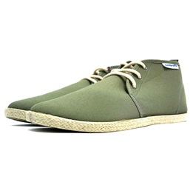 | LAM | lambretta | FTW | Footwear | GOBI-KHAKI-10 | LMB2073 Chukka Despadrille | Khaki-10 | 85 | £30.00 | 5056236256433 | 64041990 | CN | £2,550.00
 | LAM | lambretta | FTW | Footwear | GOBI-KHAKI-11 | LMB2073 Chukka Despadrille | Khaki-11 | 9 | £30.00 | 5056236256440 | 64041990 | CN | £270.00
 | LAM | lambretta | FTW | Footwear | GOBI-KHAKI-12 | LMB2073 Chukka Despadrille | Khaki-12 | 1 | £30.00 | 5056236256457 | 64041990 | CN | £30.00
 | LAM | lambretta | FTW | Footwear | GOBI-KHAKI-7 | LMB2073 Chukka Despadrille | Khaki-7 | 46 | £30.00 | 5056236256402 | 64041990 | CN | £1,380.00
 | LAM | lambretta | FTW | Footwear | GOBI-KHAKI-8 | LMB2073 Chukka Despadrille | Khaki-8 | 98 | £30.00 | 5056236256419 | 64041990 | CN | £2,940.00
 | LAM | lambretta | FTW | Footwear | GOBI-KHAKI-9 | LMB2073 Chukka Despadrille | Khaki-9 | 79 | £30.00 | 5056236256426 | 64041990 | CN | £2,370.00
 |  |  |  |  |  |  |  |  |  |  |  |  | £-
 | LAM | lambretta | FTW | Footwear | GOBI-STONE-10 | LMB2073 Chukka Despadrille | Stone-10 | 86 | £30.00 | 5056236256495 | 64041990 | CN | £2,580.00
 | LAM | lambretta | FTW | Footwear | GOBI-STONE-11 | LMB2073 Chukka Despadrille | Stone-11 | 35 | £30.00 | 5056236256501 | 64041990 | CN | £1,050.00
 | LAM | lambretta | FTW | Footwear | GOBI-STONE-12 | LMB2073 Chukka Despadrille | Stone-12 | 2 | £30.00 | 5056236256518 | 64041990 | CN | £60.00
 | LAM | lambretta | FTW | Footwear | GOBI-STONE-7 | LMB2073 Chukka Despadrille | Stone-7 | 48 | £30.00 | 5056236256464 | 64041990 | CN | £1,440.00
 | LAM | lambretta | FTW | Footwear | GOBI-STONE-8 | LMB2073 Chukka Despadrille | Stone-8 | 105 | £30.00 | 5056236256471 | 64041990 | CN | £3,150.00
 | LAM | lambretta | FTW | Footwear | GOBI-STONE-9 | LMB2073 Chukka Despadrille | Stone-9 | 54 | £30.00 | 5056236256488 | 64041990 | CN | £1,620.00
 |  |  |  |  |  |  |  |  |  |  |  |  | £-
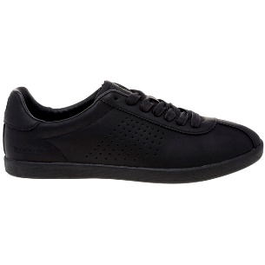 | LAM | lambretta | FTW | Footwear | 5056173204689 | GAZZMAN III WAXY PU BLACK | 3 | 1 | £40.00 | 5056173204689 | 64031900 | CN | £40.00
 | LAM | lambretta | FTW | Footwear | 5056173204696 | GAZZMAN III WAXY PU BLACK | 4 | 2 | £40.00 | 5056173204696 | 64031900 | CN | £80.00
 | LAM | lambretta | FTW | Footwear | 5056173204702 | GAZZMAN III WAXY PU BLACK | 5 | 3 | £40.00 | 5056173204702 | 64031900 | CN | £120.00
 | LAM | lambretta | FTW | Footwear | 5056173204719 | GAZZMAN III WAXY PU BLACK | 6 | 4 | £40.00 | 5056173204719 | 64031900 | CN | £160.00
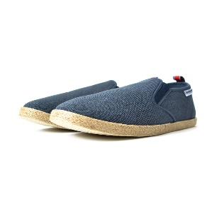 | LAM | lambretta | FTW | 145 | KYAK II-DNM-10 | Slip-On Espadrille-- | 10 | 85 | £25.00 | 5056173226803 | 64041990 | CN | £2,125.00
 | LAM | lambretta | FTW | 145 | KYAK II-DNM-11 | Slip-On Espadrille-- | 11 | 20 | £25.00 | 5056173226810 | 64041990 | CN | £500.00
 | LAM | lambretta | FTW | 145 | KYAK II-DNM-12 | Slip-On Espadrille-- | 12 | 3 | £25.00 | 5056173226827 | 64041990 | CN | £75.00
 | LAM | lambretta | FTW | 145 | KYAK II-DNM-7 | Slip-On Espadrille-- | 7 | 77 | £25.00 | 5056173226773 | 64041990 | CN | £1,925.00
 | LAM | lambretta | FTW | 145 | KYAK II-DNM-8 | Slip-On Espadrille-- | 8 | 101 | £25.00 | 5056173226780 | 64041990 | CN | £2,525.00
 | LAM | lambretta | FTW | 145 | KYAK II-DNM-9 | Slip-On Espadrille-- | 9 | 149 | £25.00 | 5056173226797 | 64041990 | CN | £3,725.00
 |  |  |  |  |  |  |  |  |  |  |  |  | £-
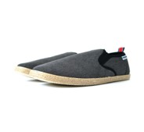 | LAM | lambretta | FTW | 145 | KYAK II-BLK-10 | Slip-On Espadrille-- | 10 | 82 | £25.00 | 5056173226865 | 64041990 | CN | £2,050.00
 | LAM | lambretta | FTW | 145 | KYAK II-BLK-11 | Slip-On Espadrille-- | 11 | 20 | £25.00 | 5056173226872 | 64041990 | CN | £500.00
 | LAM | lambretta | FTW | 145 | KYAK II-BLK-12 | Slip-On Espadrille-- | 12 | 2 | £25.00 | 5056173226889 | 64041990 | CN | £50.00
 | LAM | lambretta | FTW | 145 | KYAK II-BLK-7 | Slip-On Espadrille-- | 7 | 69 | £25.00 | 5056173226834 | 64041990 | CN | £1,725.00
 | LAM | lambretta | FTW | 145 | KYAK II-BLK-8 | Slip-On Espadrille-- | 8 | 92 | £25.00 | 5056173226841 | 64041990 | CN | £2,300.00
 | LAM | lambretta | FTW | 145 | KYAK II-BLK-9 | Slip-On Espadrille-- | 9 | 149 | £25.00 | 5056173226858 | 64041990 | CN | £3,725.00
 |  |  |  |  |  |  |  |  |  |  |  |  | £-
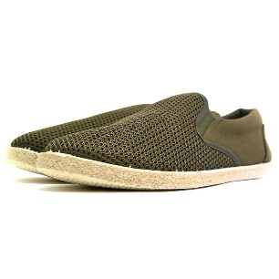 | LAM | lambretta | FTW | Footwear | KYAK KNIT-KHKI-10 | Mesh Canvas Espadrille-- | 10 | 51 | £22.00 | 5056173226926 | 64041990 | CN | £1,122.00
 | LAM | lambretta | FTW | Footwear | KYAK KNIT-KHKI-11 | Mesh Canvas Espadrille-- | 11 | 29 | £22.00 | 5056173226933 | 64041990 | CN | £638.00
 | LAM | lambretta | FTW | Footwear | KYAK KNIT-KHKI-7 | Mesh Canvas Espadrille-- | 7 | 25 | £22.00 | 5056173226896 | 64041990 | CN | £550.00
 | LAM | lambretta | FTW | Footwear | KYAK KNIT-KHKI-8 | Mesh Canvas Espadrille-- | 8 | 49 | £22.00 | 5056173226902 | 64041990 | CN | £1,078.00
 | LAM | lambretta | FTW | Footwear | KYAK KNIT-KHKI-9 | Mesh Canvas Espadrille-- | 9 | 60 | £22.00 | 5056173226919 | 64041990 | CN | £1,320.00
 |  |  |  |  |  |  |  |  |  |  |  |  | £-
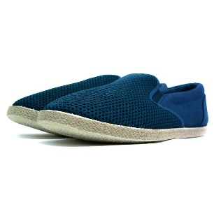 | LAM | lambretta | FTW | Footwear | KYAK KNIT-NVY-10 | Mesh Canvas Espadrille-- | 10 | 2 | £22.00 | 5056173226988 | 64041990 | CN | £44.00
 | LAM | lambretta | FTW | Footwear | KYAK KNIT-NVY-11 | Mesh Canvas Espadrille-- | 11 | 18 | £22.00 | 5056173226995 | 64041990 | CN | £396.00
 | LAM | lambretta | FTW | Footwear | KYAK KNIT-NVY-8 | Mesh Canvas Espadrille-- | 8 | 3 | £22.00 | 5056173226964 | 64041990 | CN | £66.00
 |  |  |  |  |  |  |  |  |  |  |  |  | £-
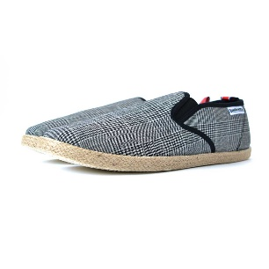 | LAM | lambretta | FTW | Footwear | KYAK CHECK-BLK GRY-10 | Prince Of Wales Check Black Gr | Espadrille 10 | 157 | £25.00 | 5056173237762 | 64041990 | CN | £3,925.00
 | LAM | lambretta | FTW | Footwear | KYAK CHECK-BLK GRY-11 | Prince Of Wales Check Black Gr | Espadrille 11 | 28 | £25.00 | 5056173237779 | 64041990 | CN | £700.00
 | LAM | lambretta | FTW | Footwear | KYAK CHECK-BLK GRY-12 | Prince Of Wales Check Black Gr | Espadrille 12 | 20 | £25.00 | 5056173237786 | 64041990 | CN | £500.00
 | LAM | lambretta | FTW | Footwear | KYAK CHECK-BLK GRY-7 | Prince Of Wales Check Black Gr | Espadrille 7 | 137 | £25.00 | 5056173237731 | 64041990 | CN | £3,425.00
 | LAM | lambretta | FTW | Footwear | KYAK CHECK-BLK GRY-8 | Prince Of Wales Check Black Gr | Espadrille 8 | 178 | £25.00 | 5056173237748 | 64041990 | CN | £4,450.00
 | LAM | lambretta | FTW | Footwear | KYAK CHECK-BLK GRY-9 | Prince Of Wales Check Black Gr | Espadrille 9 | 265 | £25.00 | 5056173237755 | 64041990 | CN | £6,625.00
 |  |  |  |  |  |  |  |  |  |  |  |  | £-
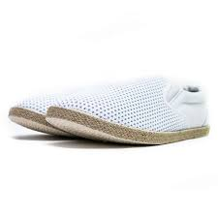 | LAM | lambretta | FTW | Footwear | KYAK KNIT-WHT-9 | Mesh Canvas Espadrille-- | 9 | 11 | £22.00 | 5056173227039 | 64041990 | CN | £242.00
 |  |  |  |  |  |  |  |  |  |  |  |  | £-
 | LAM | lambretta | FTW | Footwear | FWM0376-BRN-12 | Kyak Espadrille-Brown Canvas | Mens-12 | 3 | £20.00 | 651307241872 | 64052099 | CN | £60.00
 |  |  |  |  |  |  |  |  |  |  |  |  | £-
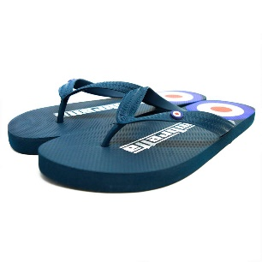 | LAM | lambretta | FTW | Footwear | TARGET-FLIP-NAVY-10 | LMB2068 Flip-Navy | 10 | 83 | £12.00 | 5056236252893 | 64029939 | CN | £996.00
 | LAM | lambretta | FTW | Footwear | TARGET-FLIP-NAVY-11 | LMB2068 Flip-Navy | 11 | 27 | £12.00 | 5056236252909 | 64029939 | CN | £324.00
 | LAM | lambretta | FTW | Footwear | TARGET-FLIP-NAVY-12 | LMB2068 Flip-Navy | 12 | 1 | £12.00 | 5056236252916 | 64029939 | CN | £12.00
 | LAM | lambretta | FTW | Footwear | TARGET-FLIP-NAVY-7 | LMB2068 Flip-Navy | 7 | 80 | £12.00 | 5056236252862 | 64029939 | CN | £960.00
 | LAM | lambretta | FTW | Footwear | TARGET-FLIP-NAVY-8 | LMB2068 Flip-Navy | 8 | 155 | £12.00 | 5056236252879 | 64029939 | CN | £1,860.00
 | LAM | lambretta | FTW | Footwear | TARGET-FLIP-NAVY-9 | LMB2068 Flip-Navy | 9 | 199 | £12.00 | 5056236252886 | 64029939 | CN | £2,388.00
 |  |  |  |  |  |  |  |  |  |  |  |  | £-
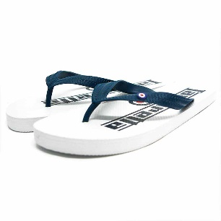 | LAM | lambretta | FTW | Footwear | LOGO-FLIP-WHITE-10 | LMB2069 Flip-White | 10 | 78 | £12.00 | 5056236252954 | 64029939 | CN | £936.00
 | LAM | lambretta | FTW | Footwear | LOGO-FLIP-WHITE-11 | LMB2069 Flip-White | 11 | 33 | £12.00 | 5056236252961 | 64029939 | CN | £396.00
 | LAM | lambretta | FTW | Footwear | LOGO-FLIP-WHITE-7 | LMB2069 Flip-White | 7 | 84 | £12.00 | 5056236252923 | 64029939 | CN | £1,008.00
 | LAM | lambretta | FTW | Footwear | LOGO-FLIP-WHITE-8 | LMB2069 Flip-White | 8 | 133 | £12.00 | 5056236252930 | 64029939 | CN | £1,596.00
 | LAM | lambretta | FTW | Footwear | LOGO-FLIP-WHITE-9 | LMB2069 Flip-White | 9 | 185 | £12.00 | 5056236252947 | 64029939 | CN | £2,220.00
 |  |  |  |  |  |  |  |  |  |  |  |  | £-
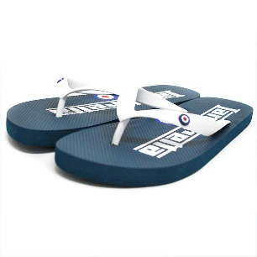 | LAM | lambretta | FTW | Footwear | LOGO-FLIP-NAVY-10 | LMB2069 Flip-Navy | 10 | 33 | £12.00 | 5056236253012 | 64029939 | CN | £396.00
 | LAM | lambretta | FTW | Footwear | LOGO-FLIP-NAVY-11 | LMB2069 Flip-Navy | 11 | 1 | £12.00 | 5056236253029 | 64029939 | CN | £12.00
 | LAM | lambretta | FTW | Footwear | LOGO-FLIP-NAVY-12 | LMB2069 Flip-Navy | 12 | 1 | £12.00 | 5056236253036 | 64029939 | CN | £12.00
 | LAM | lambretta | FTW | Footwear | LOGO-FLIP-NAVY-7 | LMB2069 Flip-Navy | 7 | 65 | £12.00 | 5056236252985 | 64029939 | CN | £780.00
 | LAM | lambretta | FTW | Footwear | LOGO-FLIP-NAVY-8 | LMB2069 Flip-Navy | 8 | 90 | £12.00 | 5056236252992 | 64029939 | CN | £1,080.00
 | LAM | lambretta | FTW | Footwear | LOGO-FLIP-NAVY-9 | LMB2069 Flip-Navy | 9 | 123 | £12.00 | 5056236253005 | 64029939 | CN | £1,476.00
 |  |  |  |  |  |  |  |  |  |  |  |  | £-
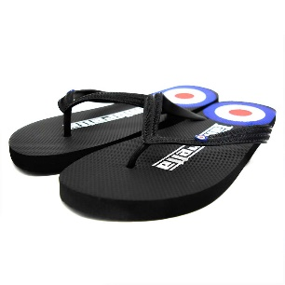 | LAM | lambretta | FTW | Footwear | TARGET-FLIP-BLACK-10 | LMB2068 Flip-Black | 10 | 84 | £12.00 | 5056236252831 | 64029939 | CN | £1,008.00
 | LAM | lambretta | FTW | Footwear | TARGET-FLIP-BLACK-11 | LMB2068 Flip-Black | 11 | 23 | £12.00 | 5056236252848 | 64029939 | CN | £276.00
 | LAM | lambretta | FTW | Footwear | TARGET-FLIP-BLACK-12 | LMB2068 Flip-Black | 12 | 2 | £12.00 | 5056236252855 | 64029939 | CN | £24.00
 | LAM | lambretta | FTW | Footwear | TARGET-FLIP-BLACK-7 | LMB2068 Flip-Black | 7 | 65 | £12.00 | 5056236252800 | 64029939 | CN | £780.00
 | LAM | lambretta | FTW | Footwear | TARGET-FLIP-BLACK-8 | LMB2068 Flip-Black | 8 | 126 | £12.00 | 5056236252817 | 64029939 | CN | £1,512.00
 | LAM | lambretta | FTW | Footwear | TARGET-FLIP-BLACK-9 | LMB2068 Flip-Black | 9 | 191 | £12.00 | 5056236252824 | 64029939 | CN | £2,292.00
 |  |  |  |  |  |  |  |  |  |  |  |  | £-
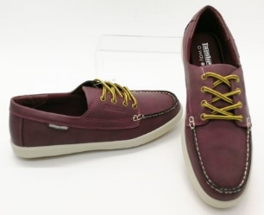 | LAM | lambretta | FTW | Footwear | VULCAN BOATER-BURG-10 | 4 Eye boat shoe rubber sole | Burgundy PU-10 | 43 | £55.00 | 5056173227404 | 64041990 | CN | £2,365.00
 | LAM | lambretta | FTW | Footwear | VULCAN BOATER-BURG-11 | 4 Eye boat shoe rubber sole | Burgundy PU-11 | 11 | £55.00 | 5056173227411 | 64041990 | CN | £605.00
 | LAM | lambretta | FTW | Footwear | VULCAN BOATER-BURG-7 | 4 Eye boat shoe rubber sole | Burgundy PU-7 | 55 | £55.00 | 5056173227374 | 64041990 | CN | £3,025.00
 | LAM | lambretta | FTW | Footwear | VULCAN BOATER-BURG-8 | 4 Eye boat shoe rubber sole | Burgundy PU-8 | 60 | £55.00 | 5056173227381 | 64041990 | CN | £3,300.00
 | LAM | lambretta | FTW | Footwear | VULCAN BOATER-BURG-9 | 4 Eye boat shoe rubber sole | Burgundy PU-9 | 100 | £55.00 | 5056173227398 | 64041990 | CN | £5,500.00
 |  |  |  |  |  |  |  |  |  |  |  |  | £-
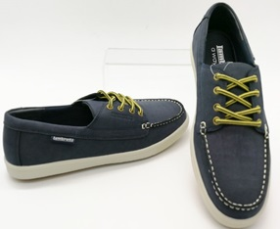 | LAM | lambretta | FTW | Footwear | VULCAN BOATER-NAVY-7 | 4 Eye boat shoe rubber sole | Navy PU-7 | 6 | £55.00 | 5056173227251 | 64041990 | CN | £330.00
 | LAM | lambretta | FTW | Footwear | VULCAN BOATER-NAVY-9 | 4 Eye boat shoe rubber sole | Navy PU-9 | 20 | £55.00 | 5056173227275 | 64041990 | CN | £1,100.00
 |  |  |  |  |  |  |  | 7874 |  |  |  |  | £266,505.48

